External Hardware
Name |  |  |  |  | Period

INSTRUCTIONS: For each image, provide the correct name of the item. On the line below, determine whether it is an Input device or an Output device. You MUST spell everything correctly or you will not get the points. The little blue boxes to the side of each question tell you whether or not you go the question correct.
 |  |  |  |  |  |  |  | Word Bank
1 | 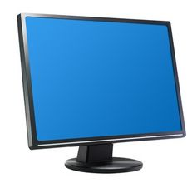 |  | 2 | 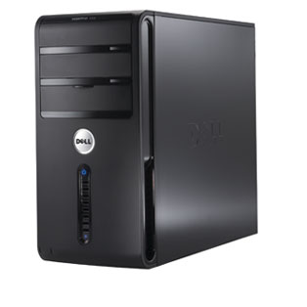 |  | 3 |  | Scanner Mouse Keyboard Tower case Digital Camera Trackpad Monitor Printer Speakers
Item |  |  | Item |  |  | Item
I/O |  |  |  |  |  | I/O

4 | 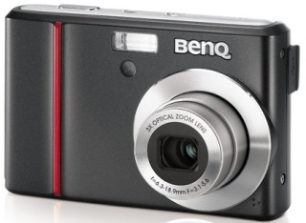 |  | 5 | 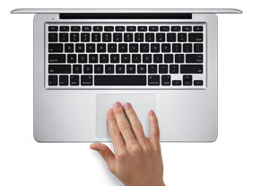 |  | 6 | 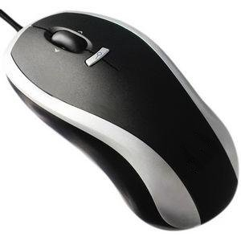
Item |  |  | Item |  |  | Item
I/O |  |  | I/O |  |  | I/O

7 | 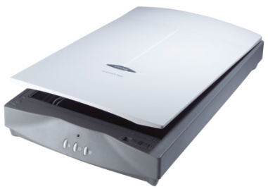 |  | 8 | 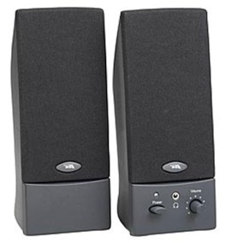 |  | 9 | 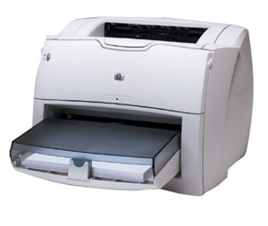
Item |  |  | Item |  |  | Item
I/O |  |  | I/O |  |  | I/O

 | Scanner | Input
 | Mouse | Output
 | Keyboard
 | Tower case
 | Digital Camera
 | Trackpad
 | Monitor
 | Printer
 | Speakers

Internal Match
Select the correct name for each piece of internal hardware.

1 | 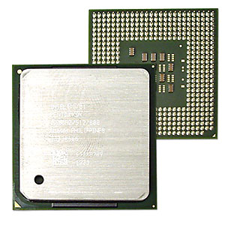 | 2 | 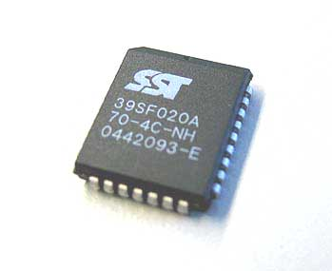 | 3 | 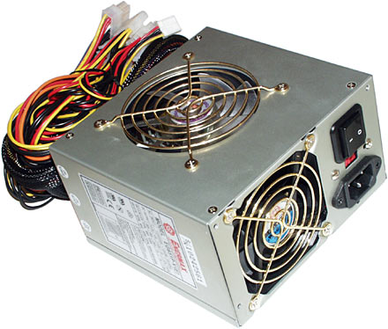

4 | 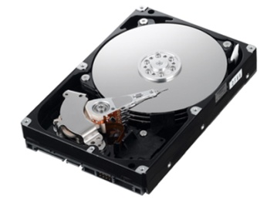 | 5 | 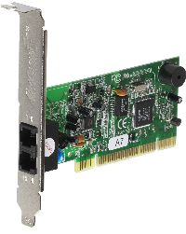 | 6

7 | 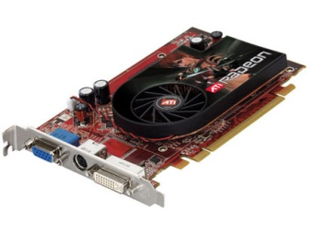 | 8 | 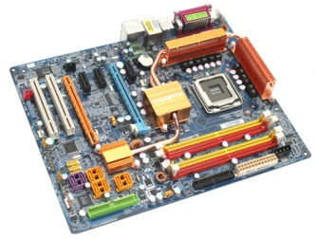 | 9 | 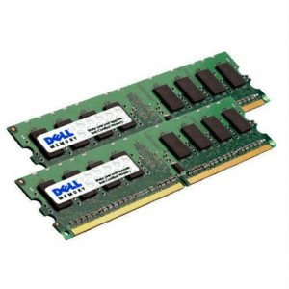

10 | 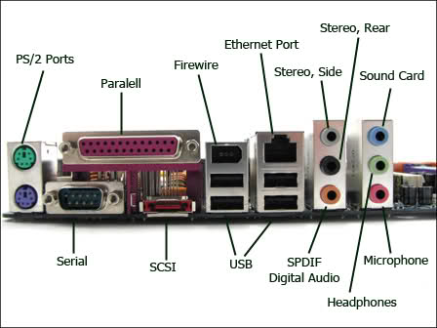

 | motherboard
 | power supply
 | CPU
 | ROM
 | hard drive
 | RAM
 | modem
 | ports
 | video card
 | BIOS

